Sample 10, 16 & 27 wk variation
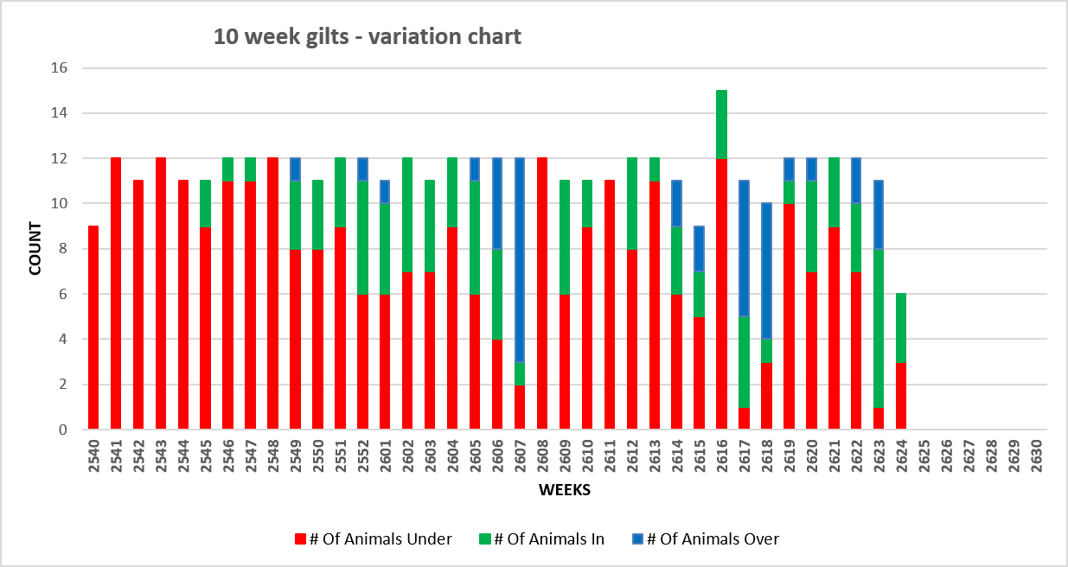
16 weeks gilt variation chart
 | # Of Animals Under | # Of Animals In | # Of Animals Over
2534 | 2 | 2 | 6
2535 | 8 |  | 4
2536 | 2 | 1 | 9
2537 | 4 | 1 | 7
2538 | 6 | 4
2539 | 6 | 4
2540 | 12
2541 | 13
2542 | 8 | 2 | 1
2543 | 11
2544 | 2 | 3 | 5
2545 | 2 | 5 | 3
2546 | 9 | 1 | 2
2547 | 9 | 1 | 2
2548 | 5 | 1 | 6
2549 | 1 | 5 | 3
2550 | 2 | 7 | 2
2551 | 3 | 7 | 1
2552 | 6 | 6
2601 | 5 | 6
2602 | 8 | 3 | 1
2603 | 2 | 7 | 1
2604 | 4 | 8
2605 | 2 | 8 | 2
2606 |  | 7 | 5
2607 | 2 | 2 | 8
2608 | 1 | 5 | 3
2609 | 2 | 7 | 2
2610 | 4 | 5 | 1
2611 | 9 | 1
2612 | 6 | 5 | 1
2613 | 3 | 7
2614 | 2 | 7 | 1
2615 | 2 | 4 | 2
2616 | 7 | 7 | 1
2617 |  | 4 | 8
2618 |  | 4 | 6
2619 | 7 | 5
2620
2621
2622
2623
2624

27 week gilt variation chart
 | # Of Animals Under | # Of Animals In | # Of Animals Over
2523 | 3 | 2 | 2
2524 | 3 | 3 | 4
2525 |  |  | 10
2526 |  | 1 | 9
2527 |  | 1 | 9
2528 |  | 1 | 9
2529 |  | 1 | 11
2530 |  | 2 | 8
2531 | 4 | 3 | 5
2532 |  | 2 | 9
2533 |  | 4 | 7
2534 |  | 9
2535 | 2 |  | 11
2536 |  | 1 | 9
2537 |  | 7 | 4
2538 | 1 |  | 11
2539 |  | 1 | 7
2540 |  | 3 | 7
2541 | 2 | 2 | 8
2542 |  | 3 | 8
2543 | 3 | 8
2544 | 1 | 8 | 1
2545 | 1 | 8
2546 |  | 8 | 1
2547 | 3 | 8 | 1
2548 | 1 | 9 | 2
2549 |  | 5 | 4
2550 |  | 11
2551 |  | 10 | 1
2552 | 2 | 9
2601 | 2 | 6 | 2
2602 | 4 | 7 | 1
2603 |  | 8 | 2
2604 | 1 | 11
2605 |  | 12
2606 | 2 | 9 | 1
2607 |  | 7 | 4
2608 | 1 | 11
2609
2610
2611
2612
2613

Service Line Feed Schedule
Flush Feeding for Sow in the Service Line
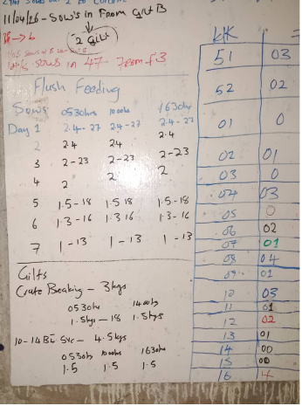
Day # | Day | Feed drop Times & Qty |  |  | Total Feed
 |  | 0530hrs | 1000hrs | 1630hrs
1 | Thursday | 2.40 | 2.40 | 2.40 | 7.20
2 | Friday | 2.40 | 2.40 | 2.40 | 7.20
3 | Saturday | 2.00 | 2.00 | 2.00 | 6.00
4 | Sunday | 2.00 | 2.00 | 2.00 | 6.00
5 | Monday | 1.50 | 1.50 | 1.50 | 4.50
6 | Tuesday | 1.30 | 1.30 | 1.30 | 3.90
7 | Wednesday | 1.00 | 1.00 | 1.00 | 3.00

Gilts

Crate Breaking |  | Feed drop Times & Qty
 |  | 0530hrs | 1400hrs | Totals
From Day into SL to 14 days before service |  | 1.50 | 1.50 | 3.00

 |  | Feed drop Times & Qty |  |  | Total Feed
 |  | 0530hrs | 1000hrs | 1630hrs
14 days before Service |  | 1.50 | 1.50 | 1.50 | 4.50

